Sheet1
Name: | YEVGENY GRAZIO MARI ALBANO | Exercise/Laboratory: | Exercise 02 Part 2 Create Table fields and forms
Block/Section: | IT 5108 | Date: | 09 / 06 / 2023
Github Repository Link:
Review Status Table Column

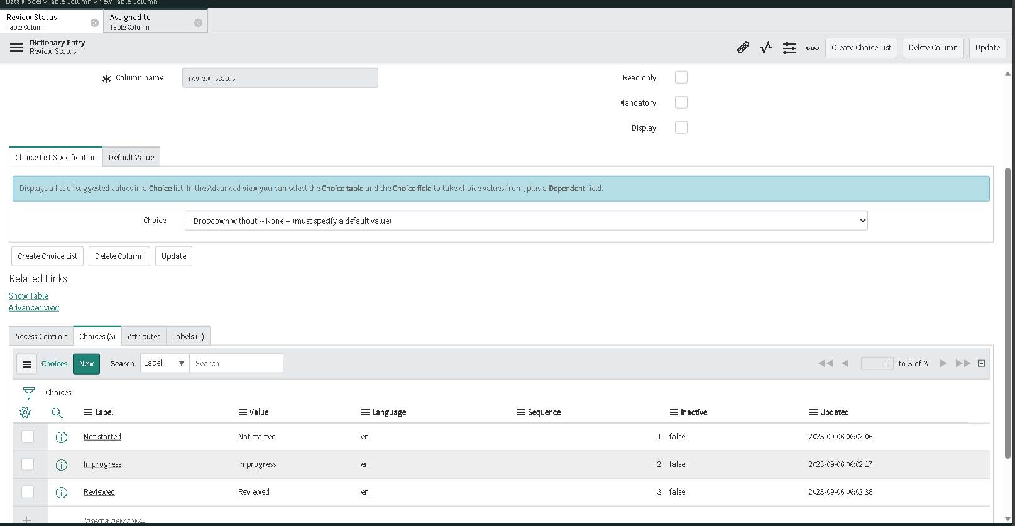

Assigned to table column

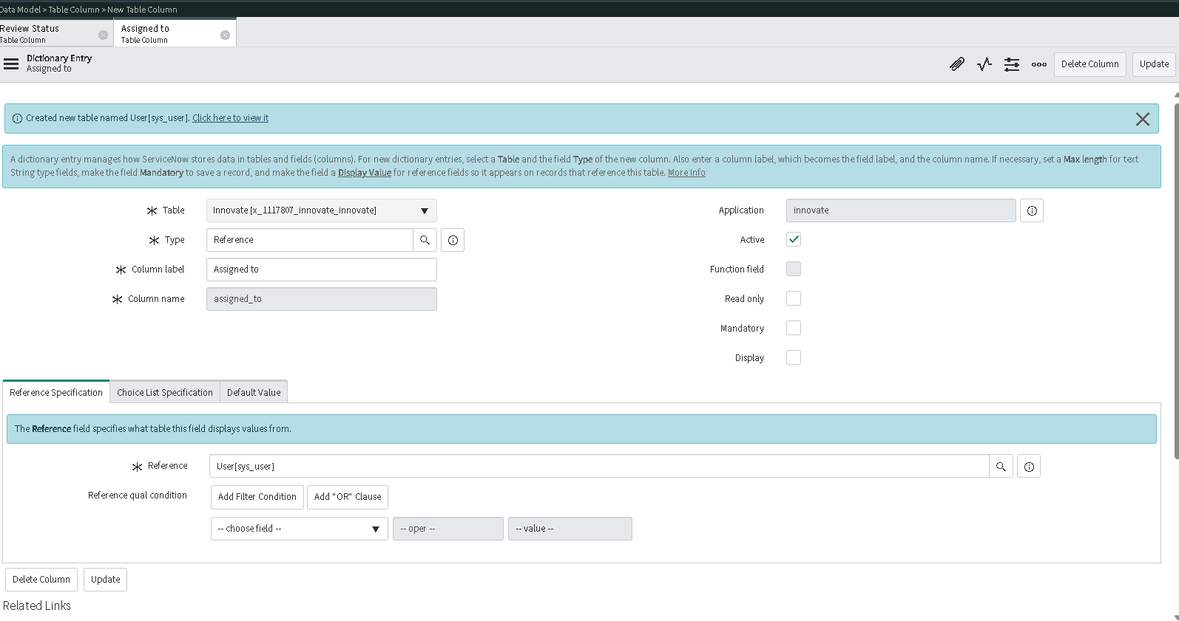

2. List default view
3,4. List report view

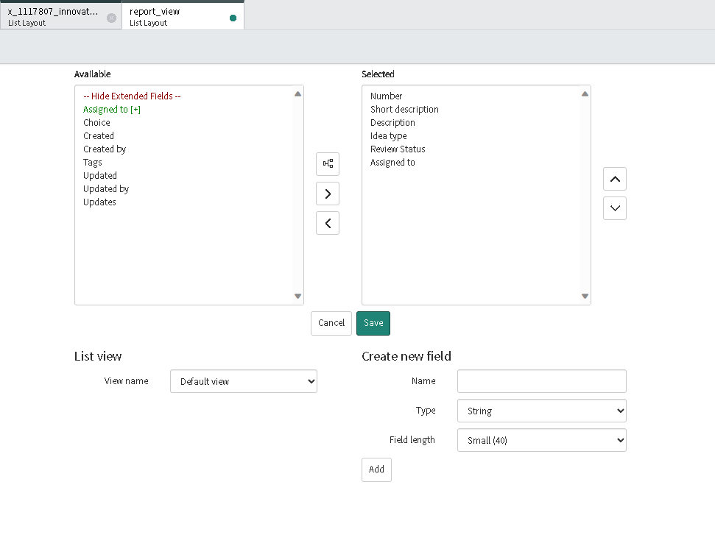
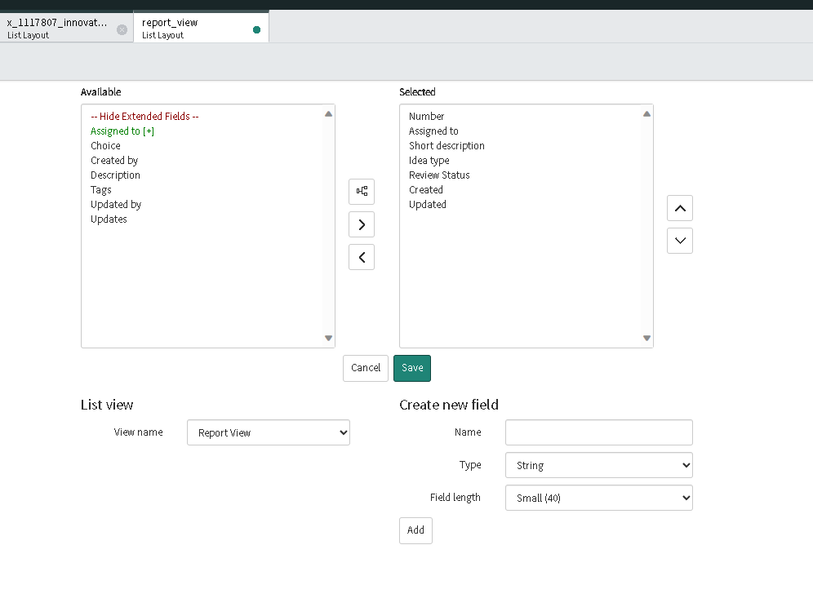

5. Form default view

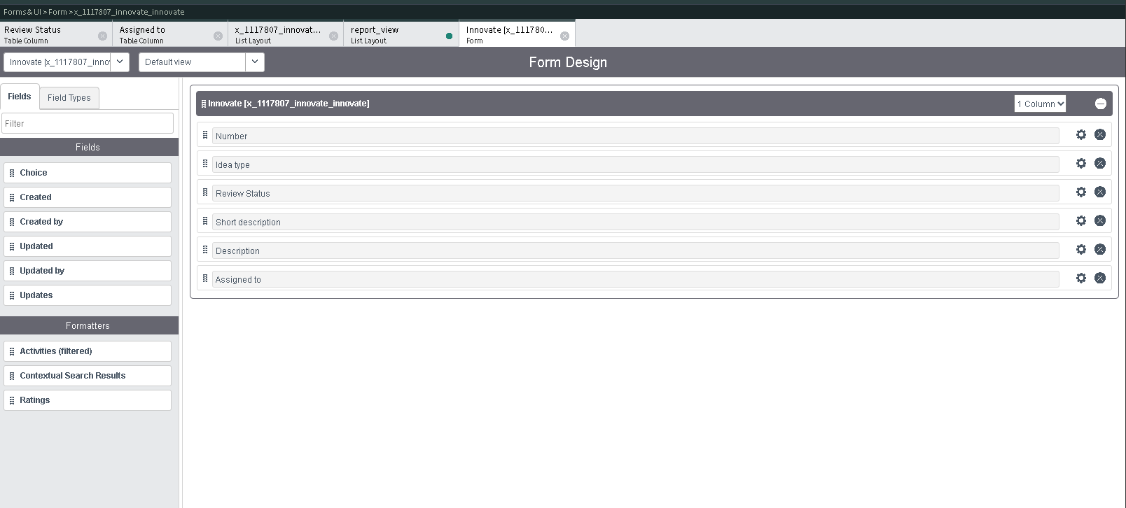

6,7. Proposal form design and view

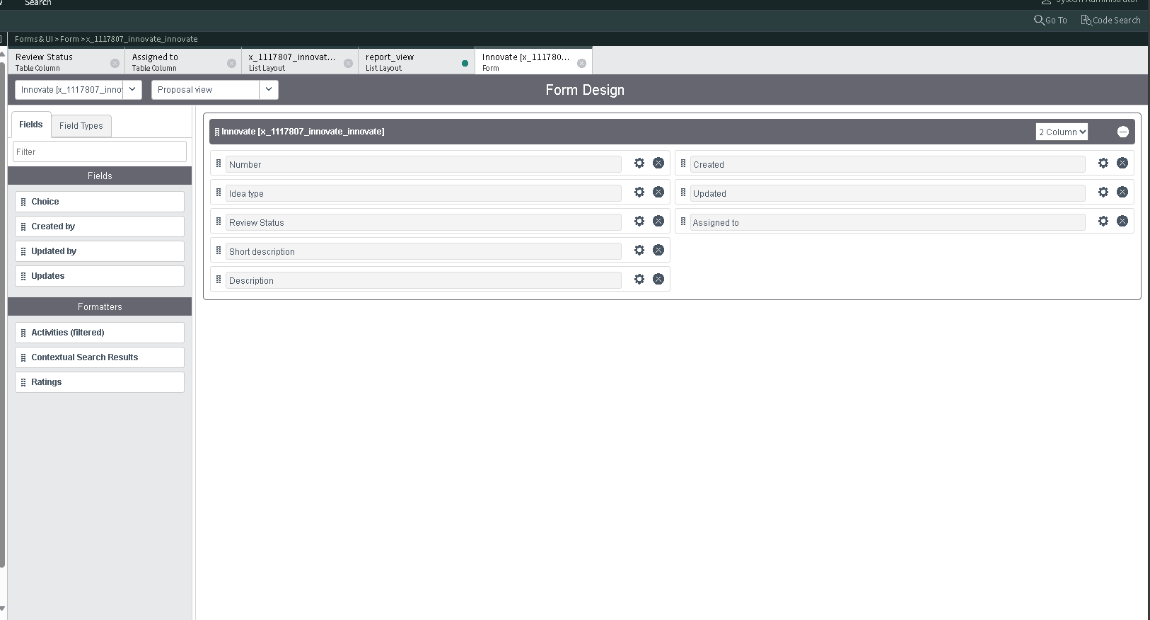

8. A B and C application modules

